Sheet2
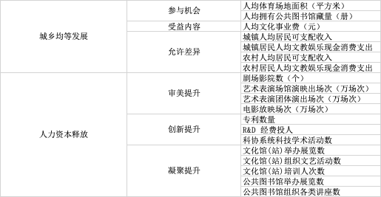
Primary Indicators | Secondary Indicators | Tertiary Indicators | Weight
Urban-Rural Equal Development | Participation Opportunities | Per Capita Sports Facility Area (square meters) | 0.1057
 |  | Per Capita Public Library Collection | 0.0325
 | Benefit Content | Per Capita Cultural Expenditure (RMB) | 0.0379
 | Allowable Differences | Urban Per Capita Disposable Income | 0.0340
 |  | Urban Per Capita Cultural and Entertainment Cash Expenditure | 0.0543
 |  | Rural Per Capita Disposable Income | 0.0368
 |  | Rural Per Capita Cultural and Entertainment Cash Expenditure | 0.0397
Human Capital Release | Aesthetic Enhancement | Number of Theaters and Cinemas | 0.0275
 |  | Number of Performances in Art Venues (ten thousand performances) | 0.0267
 |  | Number of Performances by Art Troupes (ten thousand performances) | 0.0457
 |  | Number of Film Screenings (ten thousand screenings) | 0.0225
 | Innovation Enhancement | Number of Patents | 0.0320
 |  | R&D Expenditure | 0.0393
 |  | Number of Scientific and Academic Activities by Science Associations | 0.0547
 | Cohesion Enhancement | Number of Exhibitions Held by Cultural Centers (stations) | 0.0869
 |  | Number of Cultural Activities Organized by Cultural Centers (stations) | 0.0998
 |  | Number of People Trained by Cultural Centers (stations) | 0.0792
 |  | Number of Exhibitions Held by Public Libraries | 0.0601
 |  | Number of Various Lectures Organized by Public Libraries | 0.0847

